Definitions
Idaho Office of Broadband BEAD- Fixed Wireless Performance Template- Definitions

Instructions
This tab serves as a data dictionary for the IOB BEAD Fixed Wireless Performance Template. Below, descriptions of data requested in each tab of the template are provided. The definitions below correspond with the FCC’s Broadband Data Collection - Data Specifications for Biannual Submission of Subscription, Availability, and Supporting Data. https://www.fcc.gov/sites/default/files/Data%20Specifications%20for%20Biannual%20Submission%20of%20Subscription,%20Availability,%20and%20Supporting%20Data.pdf

a. Technology
Tower ID: Unique identifier of tower or vertical structure. Base Station ID: Unique identifier of each base station at each tower. Technology: Proposed technology (e.g., LTE/4G, 5G NR, Tarana Wireless Air Interface Protocol, Ubiquiti AirMAX/LTU) used by each base station at each tower. Terrestrial Fixed Wireless Technology Code: FCC Technology Code: 70, 71, or 72 (see chart below -- Terrestrial fixed wireless technology codes from the FCC’s Broadband Data Collection - Data Specifications for Biannual Submission of Subscription, Availability, and Supporting Data, Section 4.1.1).
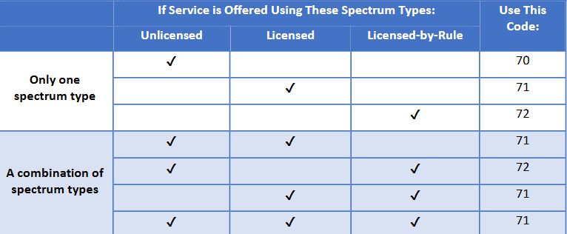

b. Towers
Provide the following for each tower (or vertical structure) proposed to serve the BSLs in the application: Tower ID: Unique identifier of tower or vertical structure. Location: Physical address of the tower or latitude/longitude. Number of Sectors: Portion of coverage area served by the tower. Total Possible BSLs: Total number of BSLs that can be served from the tower location. Existing or New: Designate if the tower is existing or will be built for the project.

c. Base Station Capacity
Provide capacity information for each base station at each tower location: Tower ID: Unique identifier of tower or vertical structure. Base Station ID: Unique identifier of each base station at each tower. Number of BSLs per Base Station: Number of BSLs in the project that will be served from the base station. Provisioned Bandwidth per BSL: Guaranteed minimum amount of bandwidth allocated to each BSL in Mbps. Height of Base Station on Structure: In ft. Number of Radios: Number of radios.

d. Link Budget
Provide the following link budget information for each base station: Base Station ID: Unique identifier of each base station at each tower. Radio Model: Model of radio at the base station. Frequency Band (GHz): Frequency band used by the radio. Channel Bandwidth (MHz): Bandwidth of the channel. Modulation Type: Method used to encode information onto a carrier signal (e.g., 16-QAM, 64-QAM). Target Link Availability: Desired percentage of time that a communication link is expected to be operational and available for use. Clutter Category: Classification of obstacles or objects that can interfere with signal transmission, such as buildings, trees, or other structures. Transmitter information (TX): Transmitter Power (dBm): Power level at which the transmitter sends out the signal, measured in decibels relative to one milliwatt (dBm). TX Antenna Gain (dBi): Measure of how much power is transmitted in the direction of the antenna's strongest signal, compared to a hypothetical isotropic antenna, measured in decibels (dBi). TX Cable Loss (dB): Amount of signal power lost due to the transmission cable, measured in decibels (dB). Effective Isotropic Radiated Power (dBm): Total power radiated by the antenna, taking into account the transmitter power and antenna gain, measured in decibels relative to one milliwatt (dBm). Receiver information (RX): CPE Receiver Sensitivity (dBm): Minimum signal strength that the Customer Premises Equipment (CPE) receiver can detect and process, measured in decibels relative to one milliwatt (dBm). RX Antenna Gain (dBi): Measure of how much power is received in the direction of the antenna's strongest signal, compared to a hypothetical isotropic antenna, measured in decibels (dBi). RX Cable Loss (dB): Amount of signal power lost due to the reception cable, measured in decibels (dB). Estimated Noise Floor (dBm): Level of background noise in the environment that can interfere with signal reception, measured in deci

e. Backhaul
Provide the following information about the backhaul to each tower: Tower ID: Unique identifier of tower or vertical structure. Base Station ID: Unique identifier of each base station at each tower. Backhaul Type: Method of backhaul delivery used to connect a base station (e.g., fiber, licensed microwave, unlicensed wireless links). Backhaul Speed: Speed of backhaul type in Mbps.

