Examples
ITC Project Accounting Report

Sample 1: Visitor's Guide
Project Expenses | Rate | Other-ITC Grant Funding Source | Rate | Non-ITC Grant Funding Source | Rate | Instructions:
Prep Printing (Visitor's Guide) | $2,300.00 | Post Falls Chamber of Commerce (Ad) | $500.00 | Bank of America (Sponsorship) | $120.00 | 1. Enter Project name and fill out all project expenses. These expenses include such things as content creation, printing, shipping, distribution, etc. Supporting documents are required.
Clearwater Media (Content) | $8,500.00 |  |  | Total Globe (Ad 3/4) | $750.00
Ad Sale Commission Costs (2%) | $63.00 |  |  | Kroger (Ad 1/2) | $650.00

 |  |  |  |  |  | 2. Fill out all other ITC grant/State income sources. These include items such as ad sales and partner contributions/sponsorships from ITC Grantees who will be submitting for reimbursement on these espenses, or other Idaho State dollars.

 |  |  |  |  |  | 3. Fill out all other income sources. These include items such as ad sales and partner contributions/sponsorships not from ITC grant/State funds.

Total Project Cost | $10,863.00 | Total Other ITC Grant Dollar Contributions | $500.00 | Total Non-ITC Grant Income Contributions | $1,520.00

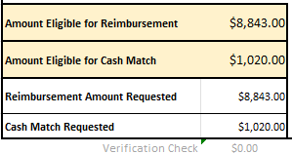
Amount Eligible for Reimbursement | $8,843.00 |  |  |  |  | 4. Review the yellow cells for allowable reimbursement and/or cash match amounts. If elligible for reimbursement, fill out the Reimbursement Amount Requested and Cash Match Amount requested. The verification check should read $0.
Amount Eligible for Cash Match | $1,020.00
Reimbursement Amount Requested | $8,843.00
Cash Match Requested | $1,020.00
Verification Check | $0.00

ITC Project Accounting Report

Sample 2: Two-Day Event
Event Expenses | Rate | Other-ITC Grant Funding Source | Rate | Non-ITC Grant Funding Source | Rate
Prep Printing (Flyers) | $2,300.00 | Post Falls Chamber of Commerce (Ad) | $500.00 | Bank of America (Sponsorship) | $6,000.00
Clearwater Media (Content) | $8,500.00 |  |  | Total Globe (Ad 3/4) | $5,000.00
Ad Sale Commission Costs (2%) | $63.00 |  |  | Kroger (Ad 1/2) | $2,500.00

Total Project Cost | $10,863.00 | Total Other ITC Grant Dollar Contributions | $500.00 | Total Non-ITC Grant Income Contributions | $13,500.00

Amount Eligible for Reimbursement | $0.00
Amount Eligible for Cash Match | $10,363.00
Reimbursement Amount Requested | $0.00
Cash Match Requested | $10,363.00
Verification Check | $0.00

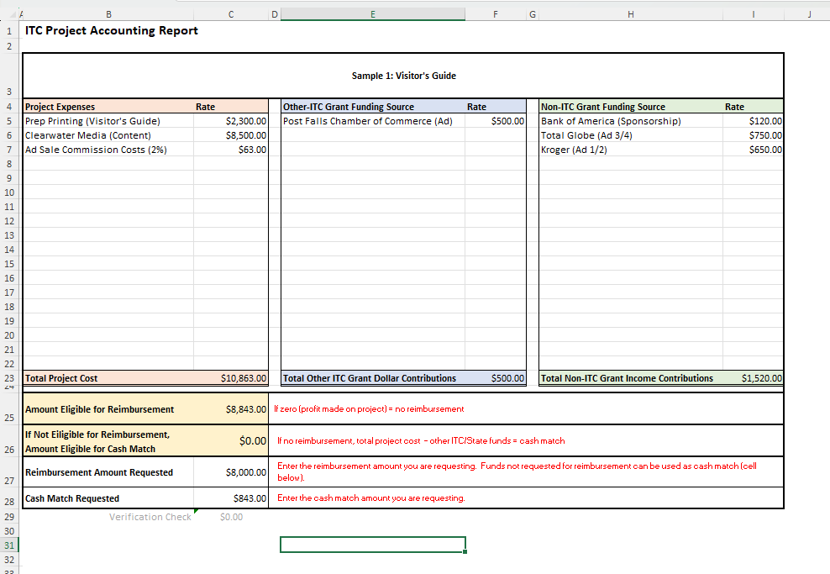
-$3,137.00 |  | $8,843.00

Project Accounting Report
ITC Project Accounting Report
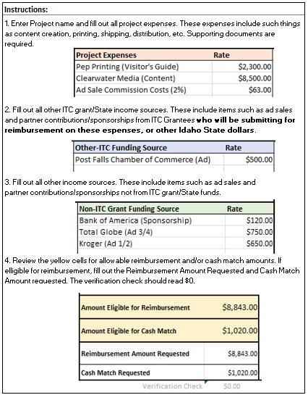
ENTER PROJECT NAME
Project Expenses | Rate | Other-ITC Grant Funding Source | Rate | Non-ITC Grant Funding Source | Rate
 | $0.00 |  | $0.00 |  | $0.00

Total Project Cost | $0.00 | Total Other ITC Grant Dollar Contributions | $0.00 | Total Non-ITC Grant Income Contributions | $0.00

Amount Eligible for Reimbursement | $0.00
Amount Eligible for Cash Match | $0.00 |  |  |  |  | Updated May-2024
Reimbursement Amount Requested | $0.00
Cash Match Requested | $0.00
Verification Check | $0.00

 |  | $0.00
 |  | $0.00

